Cable Reel information
 |  | CABLE REELS WEIGHTS & DIMENSIONS

805-002-000 | Van Damme VDSP240 240mm flange plastic cable reel |  | Return to Calculator

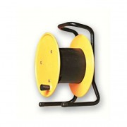
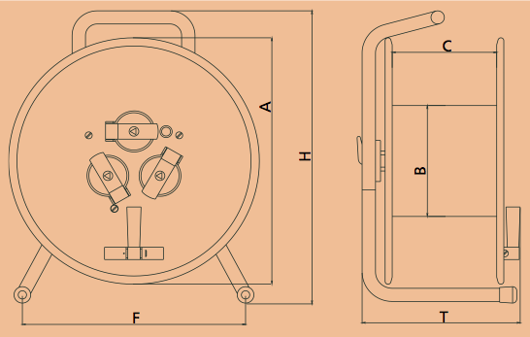
Dimensions | mm
A (Flange size) | 240
B (Hub diameter) | 135
C (Internal width) | 125
F (Feet width) | 240
H (Overall height) | 315
T (External width) | 200

Weight (Kg) | 1.61

805-004-000 | Van Damme VDSP300 300mm flange plastic cable reel |  | Return to Calculator

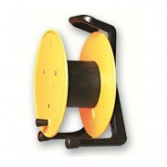
Dimensions | mm
A (Flange size) | 305
B (Hub diameter) | 135
C (Internal width) | 125
F (Feet width) | 264
H (Overall height) | 365
T (External width) | 210

Weight (Kg) | 1.70

805-006-000 | Van Damme VDHT300 300mm flange steel cable reel |  | Return to Calculator

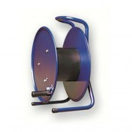
Dimensions | mm
A (Flange size) | 300
B (Hub diameter) | 135
C (Internal width) | 125
F (Feet width) | 265
H (Overall height) | 365
T (External width) | 200

Weight (Kg) | 2.73

805-008-000 | Van Damme VDHT380 380mm flange steel cable reel |  | Return to Calculator

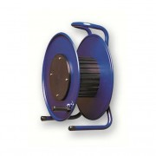
Dimensions | mm
A (Flange size) | 380
B (Hub diameter) | 178
C (Internal width) | 142
F (Feet width) | 300
H (Overall height) | 450
T (External width) | 230

Weight (Kg) | 5.28

805-010-000 | Van Damme VDHT460 460mm flange steel cable reel |  | Return to Calculator

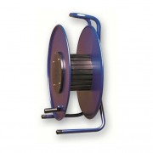
Dimensions | mm
A (Flange size) | 460
B (Hub diameter) | 178
C (Internal width) | 210
F (Feet width) | 350
H (Overall height) | 545
T (External width) | 250

Weight (Kg) | 7.31

805-020-000 | Van Damme VDGT310.FL 310mm rubber cable reel with cable flange |  | Return to Calculator

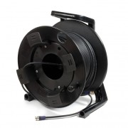
Dimensions | mm
A (Flange size) | 310
B (Hub diameter) | 170
C (Internal width) | 132
F (Feet width) | 263
G (Feet to axle) | 174
H (Overall height) | 367
T (External width) | 229

Weight (Kg) | 1.78

805-022-000 | Van Damme VDGT380.FL 380mm rubber cable reel with cable flange |  | Return to Calculator

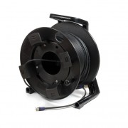
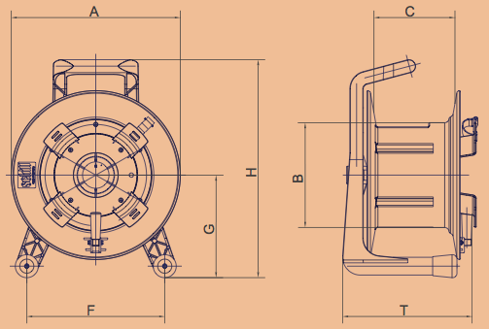
Dimensions | mm
A (Flange size) | 380
B (Hub diameter) | 236
C (Internal width) | 182
F (Feet width) | 310
G (Feet to axle) | 231
H (Overall height) | 491
T (External width) | 291

Weight (Kg) | 4.25

805-024-000 | Van Damme VDGT450.FL 450mm rubber cable reel with cable flange |  | Return to Calculator

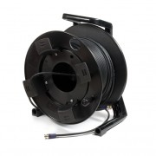
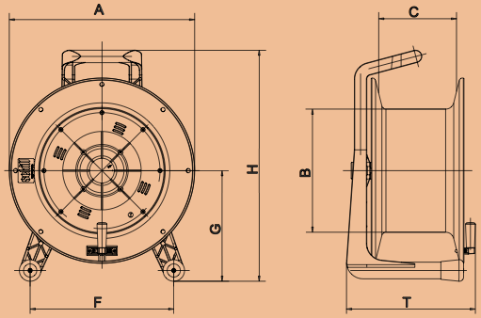
Dimensions | mm
A (Flange size) | 445
B (Hub diameter) | 296
C (Internal width) | 187
F (Feet width) | 345
G (Feet to axle) | 266
H (Overall height) | 555
T (External width) | 310

Weight (Kg) | 5.39

805-030-000 | Van Damme VDGT310.PL 310mm rubber cable reel with blank plate |  | Return to Calculator

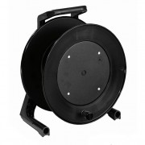
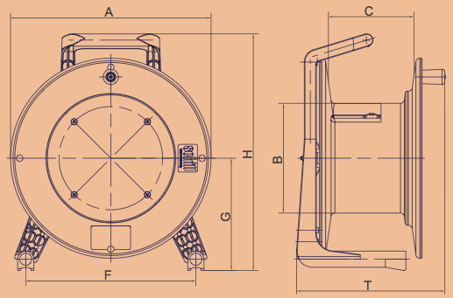
Dimensions | mm
A (Flange size) | 310
B (Hub diameter) | 170
C (Internal width) | 132
F (Feet width) | 263
G (Feet to axle) | 174
H (Overall height) | 367
T (External width) | 229

Weight (Kg) | 1.76

805-032-000 | Van Damme VDGT380.PL 380mm rubber cable reel with blank plate |  | Return to Calculator

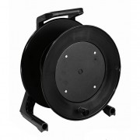
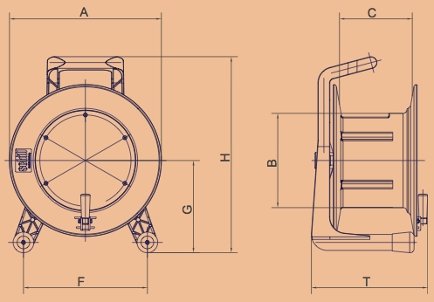
Dimensions | mm
A (Flange size) | 380
B (Hub diameter) | 236
C (Internal width) | 182
F (Feet width) | 310
G (Feet to axle) | 231
H (Overall height) | 491
T (External width) | 291

Weight (Kg) | 4.15

805-034-000 | Van Damme VDGT450.PL 450mm rubber cable reel with blank plate |  | Return to Calculator

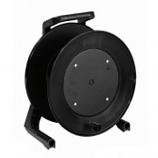
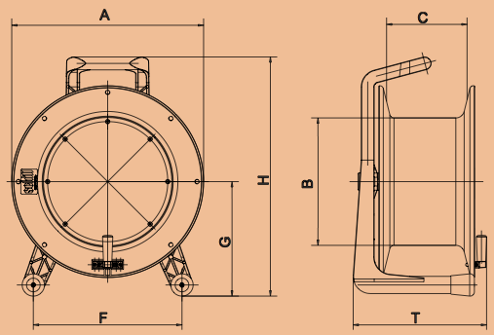
Dimensions | mm
A (Flange size) | 445
B (Hub diameter) | 296
C (Internal width) | 187
F (Feet width) | 345
G (Feet to axle) | 266
H (Overall height) | 555
T (External width) | 310

Weight (Kg) | 5.58

805-040-000 | Van Damme VDGT310.DR 310mm rubber cable reel with door |  | Return to Calculator

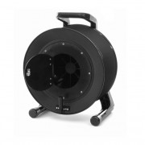
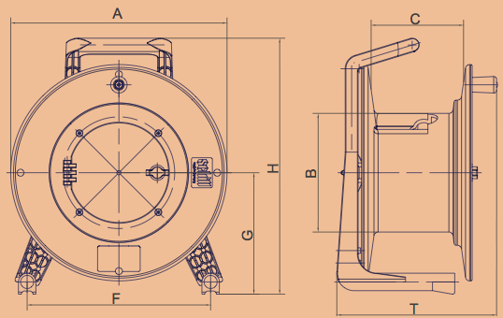
Dimensions | mm
A (Flange size) | 310
B (Hub diameter) | 170
C (Internal width) | 132
F (Feet width) | 263
G (Feet to axle) | 174
H (Overall height) | 367
T (External width) | 229

Weight (Kg) | 1.78

805-042-000 | Van Damme VDGT380.DR 380mm rubber cable reel with door |  | Return to Calculator

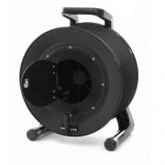
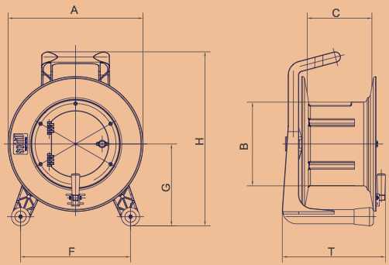
Dimensions | mm
A (Flange size) | 380
B (Hub diameter) | 236
C (Internal width) | 182
F (Feet width) | 310
G (Feet to axle) | 231
H (Overall height) | 491
T (External width) | 291

Weight (Kg) | 4.35

805-044-000 | Van Damme VDGT450.DR 450mm rubber cable reel with door |  | Return to Calculator

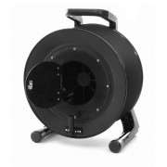
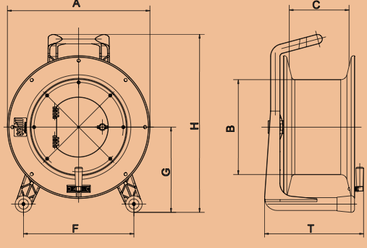
Dimensions | mm
A (Flange size) | 445
B (Hub diameter) | 296
C (Internal width) | 187
F (Feet width) | 345
G (Feet to axle) | 266
H (Overall height) | 555
T (External width) | 310

Weight (Kg) | 5.14

